Markoc e MTTF
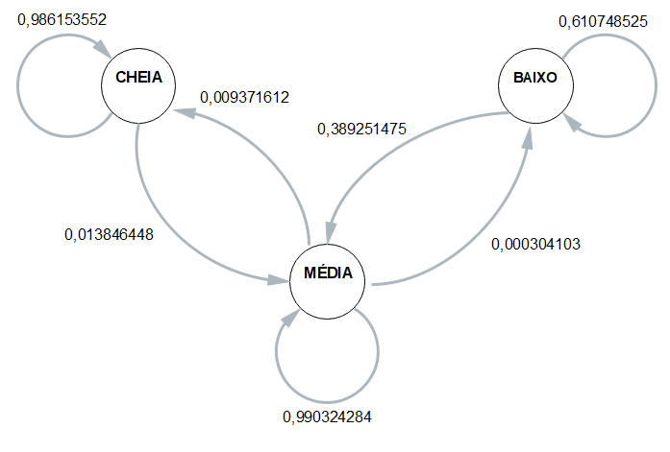
 | ESP1 | ESP2 | ESP3 | ESP4 | MÉDIA
CC | 0.98039215686 | 0.98701298701 | 0.98701298701 | 0.99019607843 | 0.98615355233
CM | 0.019607843137 | 0.012987012987 | 0.012987012987 | 0.0098039215686 | 0.01384644767
CB | 0 | 0 | 0 | 0 | 0
 | 1 | 1 | 1 | 1 | 1
MC | 0.015653775322 | 0.0091463414634 | 0.0084439083233 | 0.0042424242424 | 0.0093716123379
MM | 0.98403928791 | 0.99054878049 | 0.99125452352 | 0.99545454545 | 0.99032428434
MB | 0.00030693677103 | 0.00030487804878 | 0.0003015681544 | 0.00030303030303 | 0.00030410331931
 | 1 | 1 | 1 | 1 | 1
BC | 0 | 0 | 0 | 0 | 0
BM | 0.45890410959 | 0.38498789346 | 0.37068965517 | 0.34242424242 | 0.38925147516
BB | 0.54109589041 | 0.61501210654 | 0.62931034483 | 0.65757575758 | 0.61074852484

 | Esp1 | Esp2 | Esp3 | Esp4
Hora Inicial | 1900-01-01 10:52:22 | 1900-01-01 10:56:06 | 1900-01-01 11:00:33 | 1900-01-01 11:04:37 |  | 1900-01-01 10:58:24
Hora Limite 2,8 | 1900-01-01 15:40:27 | 1900-01-01 15:48:22 | 1900-01-01 15:55:57 | 1900-01-01 16:01:14 |  | 1900-01-01 15:51:30
Hora final | 1900-01-01 16:18:36 | 1900-01-01 16:24:20 | 1900-01-01 16:26:16 | 1900-01-01 16:29:59 | MTTF | 1900-01-01 16:24:48
total de horas até 2,8 | 4:48:05 | 4:52:16 | 4:55:24 | 4:56:37 | 4:53:06 | 4:53:06

